Mega-SDsheldold-MP3
 | MEGA2560 R3 |  | SD SHELD -old |  |  | MP3VS1003/VS1053
 | 0 |  |  |  |  | 5V
 | 1 |  |  |  |  | DGND | Tutorial: Arduino and the SPI bus
 | 2 |  |  |  | 51 | MOSI
 | 3 |  |  |  | 48 | DREFQ | This is the first of two chapters in which we are going to start investigating the SPI data bus, and how we can control devices using it with our Arduino systems.
 | 4 |  |  |  | 49 | XCS
 | 5 |  |  |  |  | 5V | The SPI bus may seem to be a complex interface to master, however with some brief study of this explanation and practical examples you will soon become a bus master! To do this we will learn the necessary theory, and then apply it by controlling a variety of devices. In this tutorial things will be kept as simple as possible.
 | 6 |  |  |  | 50 | MISO
 | 7 |  |  |  | 52 | SCK | But first of all, what is it? And some theory…
 | 8 |  |  |  | 47 | XRST
 | 9 |  |  |  | 46 | XDCS | SPI is an acronym for “Serial Peripheral Interface”. It is a synchronous serial data bus – data can travel in both directions at the same time, as opposed to (for example) the I2C bus that cannot do so. To allow synchronous data transmission, the SPI bus uses four wires. They are called:
 | 10 | CS | 10 | SS chipSelect
 | 11 | SDO | 11 |  |  |  | MOSI – Master-out, Slave-in. This line carries data from our Arduino to the SPI-controlled device(s);
 | 12 | SDI | 12 |  |  |  | MISO – Master-in, Slave out. This line carries data from the SPI-controlled device(s) back to the Arduino;
 | 13 | CLK | 13 |  |  |  | SS – Slave-select. This line tells the device on the bus we wish to communicate with it. Each SPI device needs a unique SS line back to the Arduino;
 | GND |  |  |  |  |  | SCK – Serial clock.
 | AREF
 |  |  |  |  |  |  | Within these tutorials we consider the Arduino board to be the master and the SPI devices to be slaves. On our Arduino Uno and compatible boards the pins used are:

 | IOREF |  |  |  |  |  | SS – digital 10. You can use other digital pins, but 10 is generally the default as it is next to the other SPI pins;
 | RESET |  |  |  |  |  | MOSI – digital 11;
 | 3,3v |  |  |  |  |  | MISO – digital 12;
 | 5v |  |  |  |  |  | SCK – digital 13;
 | gnd
 | gnd |  |  |  |  |  | Arduino Mega users – MISO is 50, MOSI is 51, SCK is 52 and SS is usually 53. If you are using an Arduino Leonardo, the SPI pins are on the ICSP header pins. See here for more information. You can control one or more devices with the SPI bus. For example, for one device the wiring would be:
 | Vin
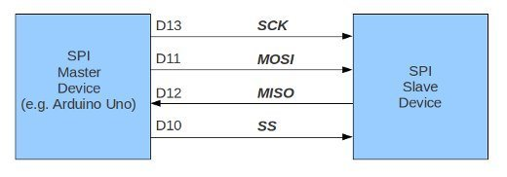
 | A0
 | A1
 | A2
 | A3
 | A4
 | A5
 | A6
 | A7
 | null
 | A8
 | A9 |  |  |  |  |  | Data travels back and forth along the MOSI and MISO lines between our Arduino and the SPI device. This can only happen when the SS line is set to LOW. In other words, to communicate with a particular SPI device on the bus, we set the SS line to that device to LOW, then communicate with it, then set the line back to HIGH. If we have two or more SPI devices on the bus, the wiring would resemble the following:
 | A10
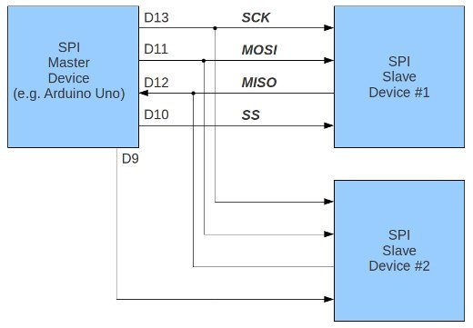
 | A11
 | A12
 | A13
 | A14
 | A15

 | 5V
 | GND
 | 22
 | 23
 | 24
 | 25
 | 26
 | 27
 | 28
 | 29
 | 30
 | 31
 | 32
 | 33
 | 34 |  |  |  |  |  | Notice how there are two SS lines – we need one for each SPI device on the bus. You can use any free digital output pin on your Arduino as an SS line. Just remember to have all SS lines high except for the line connected to the SPI device you wish to use at the time.
 | 35
 | 36 |  |  |  |  |  | Data is sent to the SPI device in byte form. You should know by now that eight bits make one byte, therefore representing a binary number with a value of between zero and 255.
 | 37
 | 38
 | 39
 | 40
 | 41
 | 42
 | 43
 | 44
 | 45
 | 46 | XDCF
 | 47 | XRST
 | 48 | DREQ
SS MP3 VS1003 | 49 | XCS MP3
MISO | 50 | MISO SD card
MOSI | 51 | MOSI SD card
SCK | 52 | SCK
SS SD | 53
 | GND | GND SD
 | GND

